Budget Summary
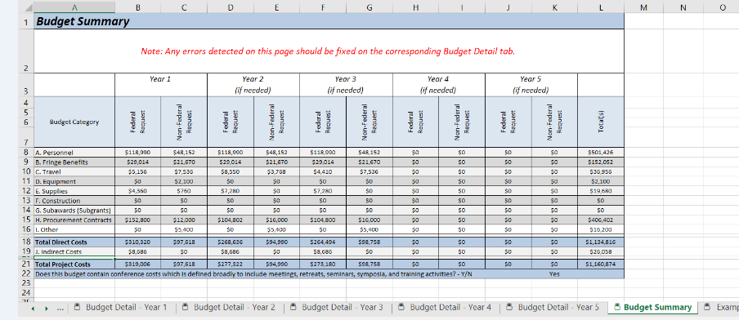
Source: Karen Thomas, 8/7/2020
Budget Summary

